Overview
Release Data Requirements Guidance under VIP
Some release requirements will not be documents anymore, but rather data stored in the tool, such as Requirements in RM, and Test Cases, in QM.
The Release Agent will verify either that the data is in the tool effectively, or that a document(s) containing the required content is correctly baselined in the appropriate folder in the Documentation stream/baseline in CCM.
If a document is the format provided, it is highly recommended that a team use the VIP referenced template. NOTE: Teams should not re-use a workitem to check-in multiple documents into Source Control. Each document should be check-ed in using it's own task (e.g. "POM - Review, Update, and Check-In")
When a document related Release Requirement is complete, the team associates (Link using "Resolves") the workitem the team used for the check-in (e.g. a task/story named POM - Review, Update, and Check-In) to the relevant VIP Release Review task (e.g. VIP Review - POM) that the RA creates for this release. The VIP Release Review tasks should be monitored in the team's Release Plan in CM. The team updates the Release Agent's VIP Review Task status to "Ready for Review". For any documents in Source Control baselined from a prior release, that do not require changes in the new release, the team should link the workitem that was used when that document was last checked-in, to the VIP Release Review workitem for the new release and note that the document is unchanged from the prior release.
When a data related Release Requirement is complete, the team should notate where to find the data in the tool on the relevant VIP Release Review task, by indicating either the Collection ID (RM), the Release Plan ID (CM), and or the Test Plan ID (QM) as appropriate. Then mark the item "Ready for Review".
When a VIP Review task is marked "Ready For Review", the Release Agent will execute their validation steps. If any issues are found the RA will enter a "DEFECT" record and link to the VIP Review Item and assign the DEFECT to the team, and mark the review task back to "Continue Working". The RA will publish the review findings on the Release Readiness Report to the 3-In-The-Box and the PM prior to the release date.
Other project and product documents and artifacts that the team or product owner deem as important to produce or collect for future reference, or that was produced for CD1, should be stored in appropriate folders in CCM and baselined, but they will not be part of the Release Agent reviews.
EPMO Release Traceability Requirements Note: These are the minimum traceability requirements that the EPMO Release Compliance group is requiring, whether in Rational or through documentation. It is not intended to replace Rational Tools Team documentation regarding the Rational CALM tools.
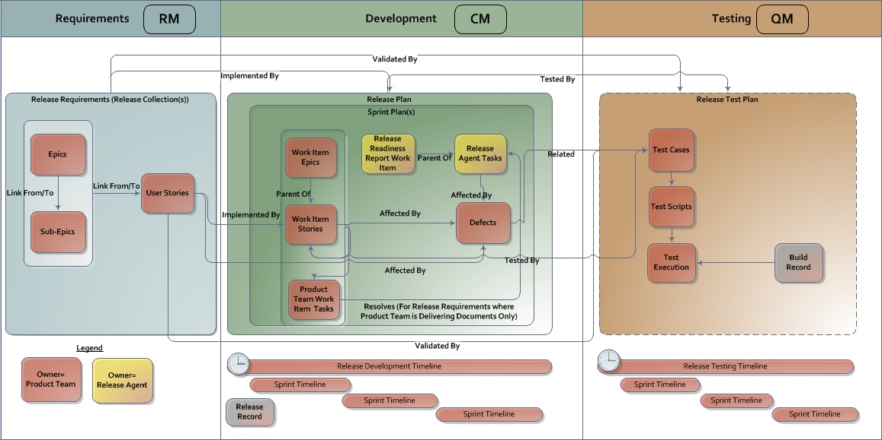
Release Compliance User Story (RM) | VIP Release Review Task Title (CM) | Source Control - Documentation Stream Folder (CM) | VIP Template | Release Agent Test Cases (QM) | RA Release Requirements Comments
Financial Management Plan [RM.01.16.01] | VIP Release Review - Financial Management Plan |  | Acquisition and Financial Management Plan | Verify Acquisition and Financial Management Plan
SLA / OLA User Story [RM.01.09.01] | VIP Release Review - SLA / OLA |  | NA | Verify SLA/OLA
Epics/Sub Epics User Story [RM.01.05.01] Approved User Stories User Story [RM.01.13.01] | VIP Release Review - Requirements (Epics/User Stories) | If docs in lieu of data, BRD and RSD go in the Requirement folder, SDD and related in the Design folder | NA | Verify RTM, Test Results, and Defect Log Verify RSDSDDRTMTESDEF Documents
Defect Log User Story [RM.01.11.01] Test Execution Previous Release/Sprint Regression User Story [RM.01.10.01] Test Execution User Story [RM.01.10.02] Test Plan and Cases User Story [RM.01.03.01] Release, Sprint Plan and Work Items User Story [RM.01.15.01] | VIP Release Review - Traceability and Testing Results | If docs in lieu of data, the Test Evaluation in the Test folder and RTM in Requirement folder | NA for VIP Templates. OIT Template links;RTM, Test Evaluation | Verify RTM, Test Results, and Defect Log Verify RSDSDDRTMTESDEF Documents
Risks User Story [RM.01.08.01] | VIP Release Review - Risk Log | If doc in lieu of data, put in PM folder | NA | Verify Risk Log
VDD User Story [RM.01.14.01] VDD - Patch Description User Story [RM.01.14.02] | VIP Release Review - Version Description Document, Patch Description |  | VDD | Verify VDD Verify Patch Description
VistA Technical Manual User Story [RM.01.06.01] POM User Story [RM.01.06.02] POM RACI User Story [RM.01.07.01] | VIP Release Review - POM, Technical Manual (VistA), RACI |  | POM | Verify Technical Manual (VistA) Verify Production Operations Manual
Deployment, Installation, Back-Out, and Rollback User Story [RM.01.04.01] | VIP Release Review - Deployment, Installation, Backout, Rollback Guide |  | Deployment and Installation Guide | Verify Deployment Plan Verify Installation Guide Verify Backout, Rollback
Authority to Operate (ATO) User Story [RM.01.02.01] | VIP Release Review - ATO Approval Memo |  | Refer to ATO | Verify Authority to Operate
Section 508 User Story [RM.01.01.01] | VIP Release Review - 508 Validation Statement |  | Refer to Section 508 Office | Verify 508 Conformance
User Guide User Story [RM.01.12.01] | VIP Release Review - User Guide |  | User Guide | Verify User Guide

